MAIN
PRIME MANUFACTURING CO.

Created by Mohit Budheliya

HOME
PRIME MANUFACTURING CO.
Home
Comparison
Break-even point
Npv
Forecasting
Transportation
LP Problem
Data
Solutions
About Company

Comparison@1
PRIME MANUFACTURING CO.

Product A - Demand vs Profit
500 | -5000
550 | -3500
600 | -2000
650 | -500
700 | 1000
750 | 2500
800 | 4000
850 | 5500
900 | 7000
950 | 8500
1000 | 10000
Product B - Demand vs Profit
700 | -4000
750 | -2500
800 | -1000
850 | 500
900 | 2000
950 | 3500
1000 | 5000
1050 | 6500
1100 | 8000
1150 | 9500
1200 | 11000
Product A - Selling Price vs Profit
50 | -5000
55 | -2500
60 | 0
65 | 2500
70 | 5000
75 | 7500
80 | 10000
85 | 12500
90 | 15000
95 | 17500
100 | 20000
Product B - Selling Price vs Profit
45 | -4000
50 | -500
55 | 3000
60 | 6500
65 | 10000
70 | 13500
75 | 17000
80 | 20500
85 | 24000
90 | 27500
95 | 31000

Home

Comparison

Break-even point

Npv

Forecasting
Product C - Demand vs Profit
600 | -1000
650 | 750
700 | 2500
750 | 4250
800 | 6000
850 | 7750
900 | 9500
950 | 11250
1000 | 13000
1050 | 14750
1100 | 16500
Product D - Demand vs Profit
800 | 2000
850 | 4000
900 | 6000
950 | 8000
1000 | 10000
1050 | 12000
1100 | 14000
1150 | 16000
1200 | 18000
1250 | 20000
1300 | 22000
Product C - Selling Price vs Profit
60 | -1000
65 | 2000
70 | 5000
75 | 8000
80 | 11000
85 | 14000
90 | 17000
95 | 20000
100 | 23000
105 | 26000
110 | 29000
Product D - Selling Price vs Profit
70 | 2000
75 | 6000
80 | 10000
85 | 14000
90 | 18000
95 | 22000
100 | 26000
105 | 30000
110 | 34000
115 | 38000
120 | 42000

Transportation

LP Problem

Data

Solutions

About Company

B-E P @3
PRIME MANUFACTURING CO.

Demand for Break-even Point
 | Current | Needed
Product A | 500 | 667
Product B | 700 | 833
Product C | 600 | 629
Product D | 800 | 750
Selling Price for Break-even Point
 | Current | Needed
Product A | 50 | 60
Product B | 45 | 50.7
Product C | 60 | 61.7
Product D | 70 | 67.5
Home

Comparison

Break-even point

Npv

Forecasting

Transportation

LP Problem

Data

Solutions

About Company

NPV@4
PRIME MANUFACTURING CO.

 | NPV
Product A | (₹70,752.96)
Product B | (₹76,303.62)
Product C | (₹59,226.68)
Product D | ₹8,608.38

Home

Comparison

Break-even point

Npv

Forecasting

Transportation

LP Problem

Data

Solutions

About Company

Forecasting@5
PRIME MANUFACTURING CO.

Forecasted Sales
 | Product A | Product B | Product C | Product D
1 | 500 | 700 | 600 | 800
2 | 525 | 728 | 636 | 856
3 | 551 | 757 | 674 | 916
4 | 579 | 787 | 715 | 980
5 | 608 | 819 | 757 | 1049
6 | 633 | 847 | 795 | 1107
7 | 660 | 877 | 834 | 1169
8 | 687 | 907 | 873 | 1231
9 | 714 | 937 | 913 | 1293
10 | 741 | 966 | 952 | 1355

Home

Comparison

Break-even point

Npv

Forecasting

Transportation

LP Problem

Data

Solutions

About Company

Transportation@7
PRIME MANUFACTURING CO.

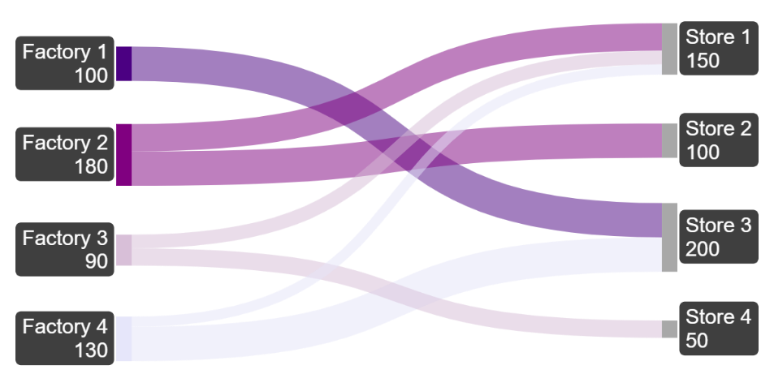
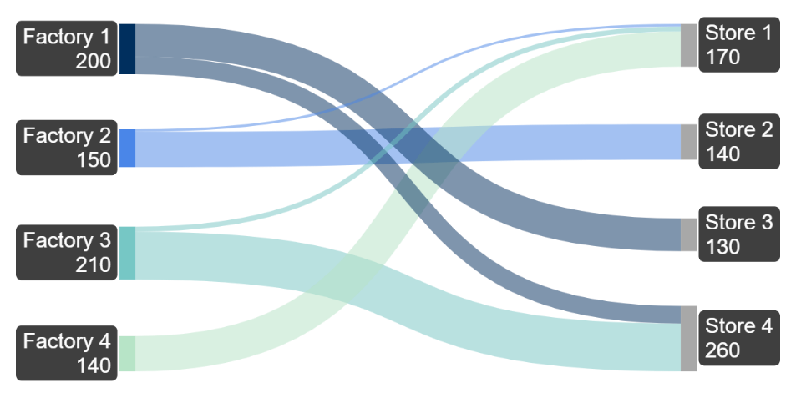
# PRODUCT A
# PRODUCT B

Home

Comparison

Break-even point

Npv

Forecasting
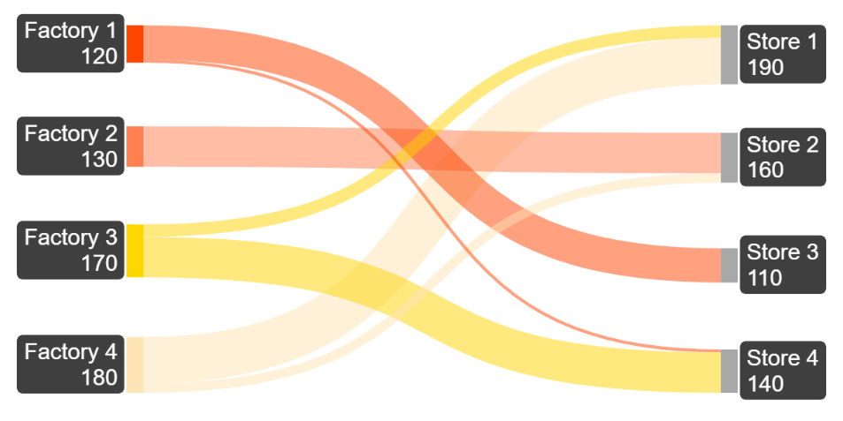
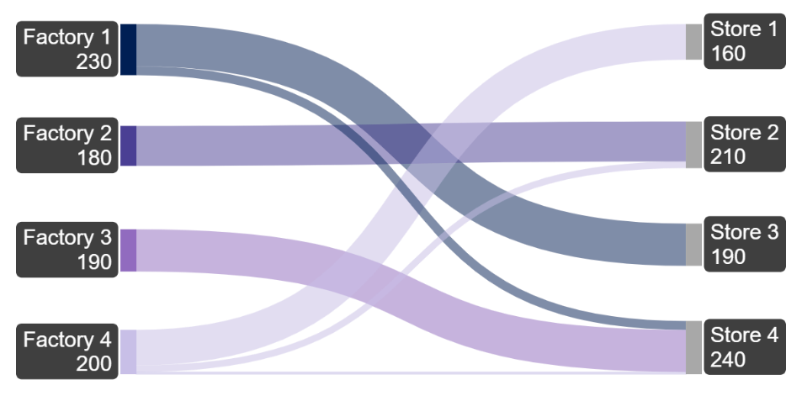
Transportation
# PRODUCT C
# PRODUCT D

LP Problem

Data

Solutions

About Company

Solutions
PRIME MANUFACTURING CO.

One-way Data Table
Two-way Data Table
Break-even Point Analysis
NPV
Home

Comparison

Break-even point

Npv

Forecasting
Forecasting
Linear Programming Problem
Transportation
Transportation

LP Problem

Data

Solutions

About Company

About Company
PRIME MANUFACTURING CO.

About Company

Home
Company Name: Prime Manufacturing Co. Established: 2005 Industry: Consumer Goods Manufacturing Headquarter: Mumbai, Maharastra, India Employees: 100+

Comparison

Break-even point

Npv

Forecasting
Overview :
Prime Manufacturing Co. is a leading name in the consumer goods manufacturing industry, renowned for delivering innovative and reliable products. With a strong presence across India, the company serves a diverse clientele ranging from budget-conscious households to premium product enthusiasts.

Transportation

LP Problem

Data

Solutions

About Company
This project utilizes entirely fictional data and information, crafted exclusively to showcase analytical skills and expertise.*

Data
PRIME MANUFACTURING CO.

Product | Demand | Fixed Cost | Variable Cost Per Unit | Selling Price Per Unit | Initial Investment | Projected Growth Rate | Discount Rate | Transportation Cost | Assignment Cost | Labour Hour per Unit | Total Labour Hour
Product A | 500 | 20000 | 20 | 50 | 50000 | 0.05 | 0.1 | 2 | 1 | 2 | 1000
Product B | 700 | 25000 | 15 | 45 | 60000 | 0.04 | 0.1 | 3 | 1.5 | 3 | 2100
Home
Product C | 600 | 22000 | 25 | 60 | 55000 | 0.06 | 0.1 | 2.5 | 1 | 2.5 | 1500
Product D | 800 | 30000 | 30 | 70 | 70000 | 0.07 | 0.1 | 4 | 2 | 4 | 3200
Comparison
Break-even point
Distance (Km) | Store 1 | Store 2 | Store 3 | Store 4 | P-A-Production | P-B-Production | P-C-Production | P-D-Production
Factory 1 | 52 | 93 | 15 | 72 | 100 | 200 | 120 | 230
Factory 2 | 61 | 21 | 83 | 87 | 180 | 150 | 130 | 180
Npv
Factory 3 | 75 | 75 | 88 | 100 | 90 | 210 | 170 | 190
Factory 4 | 24 | 3 | 22 | 53 | 130 | 140 | 180 | 200
Forecasting
P-A-Demand | 150 | 100 | 200 | 50
P-B-Demand | 170 | 140 | 130 | 260
Transportation
P-C-Demand | 190 | 160 | 110 | 140
P-D-Demand | 160 | 210 | 190 | 240
LP Problem

Data
Solutions
This data is not relevant for linear programming problems, so a separate dataset specifically for linear programming has been provided on its own sheet.
Linear Programming Problem Data

About Company

One-way data table-1
PRIME MANUFACTURING CO.

Product | Demand | Fixed Cost | Variable Cost | Selling Price | Profit | Formula used for Profit
Product A | 500 | 20000 | 20 | 50 | -5000 | =(H5*E5)-(F5+G5*E5)
Product B | 700 | 25000 | 15 | 45 | -4000 | =(H6*E6)-(F6+G6*E6)
Home
Product C | 600 | 22000 | 25 | 60 | -1000 | =(H7*E7)-(F7+G7*E7)
Product D | 800 | 30000 | 30 | 70 | 2000 | =(H8*E8)-(F8+G8*E8)
Comparison
1. Does increasing demand make a difference in profits? If yes, how much?
2. Does increasing selling price make a difference in profits? If yes, how much?
Break-even point

Npv

Forecasting
Transportation
The difference between demand and profit |  |  |  |  |  |  |  | The difference between Price and profit
Product A |  | Product B |  | Product C |  | Product D |  | Product A |  | Product B |  | Product C |  | Product D
 | -5000 |  | -4000 |  | -1000 |  | 2000 |  | -5000 |  | -4000 |  | -1000 |  | 2000
500 | -5000 | 700 | -4000 | 600 | -1000 | 800 | 2000 | 50 | -5000 | 45 | -4000 | 60 | -1000 | 70 | 2000
LP Problem
550 | -3500 | 750 | -2500 | 650 | 750 | 850 | 4000 | 55 | -2500 | 50 | -500 | 65 | 2000 | 75 | 6000
600 | -2000 | 800 | -1000 | 700 | 2500 | 900 | 6000 | 60 | 0 | 55 | 3000 | 70 | 5000 | 80 | 10000
Data
650 | -500 | 850 | 500 | 750 | 4250 | 950 | 8000 | 65 | 2500 | 60 | 6500 | 75 | 8000 | 85 | 14000
700 | 1000 | 900 | 2000 | 800 | 6000 | 1000 | 10000 | 70 | 5000 | 65 | 10000 | 80 | 11000 | 90 | 18000
Solutions
750 | 2500 | 950 | 3500 | 850 | 7750 | 1050 | 12000 | 75 | 7500 | 70 | 13500 | 85 | 14000 | 95 | 22000
800 | 4000 | 1000 | 5000 | 900 | 9500 | 1100 | 14000 | 80 | 10000 | 75 | 17000 | 90 | 17000 | 100 | 26000
About Company
850 | 5500 | 1050 | 6500 | 950 | 11250 | 1150 | 16000 | 85 | 12500 | 80 | 20500 | 95 | 20000 | 105 | 30000
900 | 7000 | 1100 | 8000 | 1000 | 13000 | 1200 | 18000 | 90 | 15000 | 85 | 24000 | 100 | 23000 | 110 | 34000
950 | 8500 | 1150 | 9500 | 1050 | 14750 | 1250 | 20000 | 95 | 17500 | 90 | 27500 | 105 | 26000 | 115 | 38000
1000 | 10000 | 1200 | 11000 | 1100 | 16500 | 1300 | 22000 | 100 | 20000 | 95 | 31000 | 110 | 29000 | 120 | 42000

Product A - Demand vs Profit
Product A - Selling Price vs Profit

Product B - Demand vs Profit
Product B - Selling Price vs Profit

Product C - Demand vs Profit
Product C - Selling Price vs Profit

Product D - Demand vs Profit
Product D - Selling Price vs Profit

Two-way data table-2
PRIME MANUFACTURING CO.

Question
Find Best Combinations of Price and Demand for Maximum Profit.
Product | Demand | Fixed Cost | Variable Cost | Selling Price | Profit | Formula used for Profit
Product A | 500 | 20000 | 20 | 50 | -5000 | =(H5*E5)-(F5+G5*E5)
Product B | 700 | 25000 | 15 | 45 | -4000 | =(H6*E6)-(F6+G6*E6)
Home
Product C | 600 | 22000 | 25 | 60 | -1000 | =(H7*E7)-(F7+G7*E7)
Product D | 800 | 30000 | 30 | 70 | 2000 | =(H8*E8)-(F8+G8*E8)
Comparison

Break-even point
Does increasing selling price and demand together make any difference in profit? If yes, how much?
Npv

Forecasting
Transportation
Product A | Selling Price
Demand | -5000 | 50 | 55 | 60 | 65 | 70 | 75 | 80 | 85 | 90 | 95
 | 500 | -5000 | -2500 | 0 | 2500 | 5000 | 7500 | 10000 | 12500 | 15000 | 17500
 | 550 | -3500 | -750 | 2000 | 4750 | 7500 | 10250 | 13000 | 15750 | 18500 | 21250
LP Problem
 | 600 | -2000 | 1000 | 4000 | 7000 | 10000 | 13000 | 16000 | 19000 | 22000 | 25000
 | 650 | -500 | 2750 | 6000 | 9250 | 12500 | 15750 | 19000 | 22250 | 25500 | 28750
Data
 | 700 | 1000 | 4500 | 8000 | 11500 | 15000 | 18500 | 22000 | 25500 | 29000 | 32500
 | 750 | 2500 | 6250 | 10000 | 13750 | 17500 | 21250 | 25000 | 28750 | 32500 | 36250
Solutions
 | 800 | 4000 | 8000 | 12000 | 16000 | 20000 | 24000 | 28000 | 32000 | 36000 | 40000
 | 850 | 5500 | 9750 | 14000 | 18250 | 22500 | 26750 | 31000 | 35250 | 39500 | 43750
About Company
 | 900 | 7000 | 11500 | 16000 | 20500 | 25000 | 29500 | 34000 | 38500 | 43000 | 47500
 | 950 | 8500 | 13250 | 18000 | 22750 | 27500 | 32250 | 37000 | 41750 | 46500 | 51250

Product B | Selling Price
Demand | -4000 | 45 | 50 | 55 | 60 | 65 | 70 | 75 | 80 | 85 | 90
 | 700 | -4000 | -500 | 3000 | 6500 | 10000 | 13500 | 17000 | 20500 | 24000 | 27500
 | 750 | -2500 | 1250 | 5000 | 8750 | 12500 | 16250 | 20000 | 23750 | 27500 | 31250
 | 800 | -1000 | 3000 | 7000 | 11000 | 15000 | 19000 | 23000 | 27000 | 31000 | 35000
 | 850 | 500 | 4750 | 9000 | 13250 | 17500 | 21750 | 26000 | 30250 | 34500 | 38750
 | 900 | 2000 | 6500 | 11000 | 15500 | 20000 | 24500 | 29000 | 33500 | 38000 | 42500
 | 950 | 3500 | 8250 | 13000 | 17750 | 22500 | 27250 | 32000 | 36750 | 41500 | 46250
 | 1000 | 5000 | 10000 | 15000 | 20000 | 25000 | 30000 | 35000 | 40000 | 45000 | 50000
 | 1050 | 6500 | 11750 | 17000 | 22250 | 27500 | 32750 | 38000 | 43250 | 48500 | 53750
 | 1100 | 8000 | 13500 | 19000 | 24500 | 30000 | 35500 | 41000 | 46500 | 52000 | 57500
 | 1150 | 9500 | 15250 | 21000 | 26750 | 32500 | 38250 | 44000 | 49750 | 55500 | 61250

Product C | Selling Price
Demand | -1000 | 60 | 65 | 70 | 75 | 80 | 85 | 90 | 95 | 100 | 105
 | 600 | -1000 | 2000 | 5000 | 8000 | 11000 | 14000 | 17000 | 20000 | 23000 | 26000
 | 650 | 750 | 4000 | 7250 | 10500 | 13750 | 17000 | 20250 | 23500 | 26750 | 30000
 | 700 | 2500 | 6000 | 9500 | 13000 | 16500 | 20000 | 23500 | 27000 | 30500 | 34000
 | 750 | 4250 | 8000 | 11750 | 15500 | 19250 | 23000 | 26750 | 30500 | 34250 | 38000
 | 800 | 6000 | 10000 | 14000 | 18000 | 22000 | 26000 | 30000 | 34000 | 38000 | 42000
 | 850 | 7750 | 12000 | 16250 | 20500 | 24750 | 29000 | 33250 | 37500 | 41750 | 46000
 | 900 | 9500 | 14000 | 18500 | 23000 | 27500 | 32000 | 36500 | 41000 | 45500 | 50000
 | 950 | 11250 | 16000 | 20750 | 25500 | 30250 | 35000 | 39750 | 44500 | 49250 | 54000
 | 1000 | 13000 | 18000 | 23000 | 28000 | 33000 | 38000 | 43000 | 48000 | 53000 | 58000
 | 1050 | 14750 | 20000 | 25250 | 30500 | 35750 | 41000 | 46250 | 51500 | 56750 | 62000

Product D | Selling Price
Demand | 2000 | 70 | 75 | 80 | 85 | 90 | 95 | 100 | 105 | 110 | 115
 | 800 | 2000 | 6000 | 10000 | 14000 | 18000 | 22000 | 26000 | 30000 | 34000 | 38000
 | 850 | 4000 | 8250 | 12500 | 16750 | 21000 | 25250 | 29500 | 33750 | 38000 | 42250
 | 900 | 6000 | 10500 | 15000 | 19500 | 24000 | 28500 | 33000 | 37500 | 42000 | 46500
 | 950 | 8000 | 12750 | 17500 | 22250 | 27000 | 31750 | 36500 | 41250 | 46000 | 50750
 | 1000 | 10000 | 15000 | 20000 | 25000 | 30000 | 35000 | 40000 | 45000 | 50000 | 55000
 | 1050 | 12000 | 17250 | 22500 | 27750 | 33000 | 38250 | 43500 | 48750 | 54000 | 59250
 | 1100 | 14000 | 19500 | 25000 | 30500 | 36000 | 41500 | 47000 | 52500 | 58000 | 63500
 | 1150 | 16000 | 21750 | 27500 | 33250 | 39000 | 44750 | 50500 | 56250 | 62000 | 67750
 | 1200 | 18000 | 24000 | 30000 | 36000 | 42000 | 48000 | 54000 | 60000 | 66000 | 72000
 | 1250 | 20000 | 26250 | 32500 | 38750 | 45000 | 51250 | 57500 | 63750 | 70000 | 76250

Break-even Analysis-3
PRIME MANUFACTURING CO.

Question
Find the Break-even Points.
Home
 | Product A | Product B | Product C | Product D |  |  | Demand |  | Selling Price
Demand | 500 | 700 | 600 | 800 |  |  | Current | Needed | Current | Needed
Fixed Cost | 20000 | 25000 | 22000 | 30000 |  | Product A | 500 | 667 | 50 | 60
Variable Cost | 20 | 15 | 25 | 30 |  | Product B | 700 | 833 | 45 | 50.7
Comparison
Selling Price | 50 | 45 | 60 | 70 |  | Product C | 600 | 629 | 60 | 61.7
Profit | -5000 | -4000 | -1000 | 2000 |  | Product D | 800 | 750 | 70 | 67.5
Break-even point

Npv
Forecasting
Consider Demand for Break-even Point |  |  |  |  |  |  | Statements
 | Product A | Product B | Product C | Product D |  |  | Product A : The break-even point will occur when demand increases to 667.
Demand | 667 | 833 | 629 | 750 | <-- Changing Variable |  | Product B : The break-even point will occur when demand increases to 833.
Fixed Cost | 20000 | 25000 | 22000 | 30000 |  |  | Product C : The break-even point will occur when demand increases to 629.
Transportation
Variable Cost | 20 | 15 | 25 | 30 |  |  | Product D : The break-even point will occur when demand decreases to 750.
Selling Price | 50 | 45 | 60 | 70
LP Problem
Profit | 0 | 0 | 0 | 0

Data
Solutions
Consider Price for Break-even Point |  |  |  |  |  |  | Statements
 | Product A | Product B | Product C | Product D |  |  | Product A : The break-even point will occur when the price increases to 60.
Demand | 500 | 700 | 600 | 800 |  |  | Product B : The break-even point will occur when the price increases to 50.7.
About Company
Fixed Cost | 20000 | 25000 | 22000 | 30000 |  |  | Product C : The break-even point will occur when the price increases to 61.7.
Variable Cost | 20 | 15 | 25 | 30 |  |  | Product D : The break-even point will occur when the price decreases to 67.5.
Selling Price | 60.0 | 50.7 | 61.7 | 67.5 | <-- Changing Variable
Profit | 0 | 0 | 0 | 0

Demand for Break-even Point
Selling Price for Break-even Point

NPV-4
PRIME MANUFACTURING CO.

Question
Calculate NPVs.
Product | Demand | Fixed Cost | Variable Cost | Selling Price | Initial Investment | Growth Rate | Discount Rate | Profit
Product A | 500 | 20000 | 20 | 50 | 50000 | 0.05 | 0.1 | -5000
Product B | 700 | 25000 | 15 | 45 | 60000 | 0.04 | 0.1 | -4000
Home
Product C | 600 | 22000 | 25 | 60 | 55000 | 0.06 | 0.1 | -1000
Product D | 800 | 30000 | 30 | 70 | 70000 | 0.07 | 0.1 | 2000
Comparison

Break-even point
Npv
 | Product A |  | Product B |  | Product C |  | Product D |  | Product | NPV
Year | Demand | Cashflow | Demand | Cashflow | Demand | Cashflow | Demand | Cashflow | Product A | -70752.96
1 | 500 | -5000.00 | 700 | -4000.00 | 600 | -1000.00 | 800 | 2000.00 | Product B | ₹ -76,303.62
2 | 525 | -5250.00 | 728 | -4160.00 | 636 | -1060.00 | 856 | 2140.00 | Product C | ₹ -59,226.68
Forecasting
3 | 551 | -5512.50 | 757 | -4326.40 | 674 | -1123.60 | 916 | 2289.80 | Product D | ₹ 8,608.38
4 | 579 | -5788.13 | 787 | -4499.46 | 715 | -1191.02 | 980 | 2450.09
Transportation
5 | 608 | -6077.53 | 819 | -4679.43 | 757 | -1262.48 | 1049 | 2621.59
 | NPV | -70752.96 | NPV | ₹ -76,303.62 | NPV | ₹ -59,226.68 | NPV | ₹ 8,608.38
LP Problem

Data

Solutions

About Company

Forecasting-5
PRIME MANUFACTURING CO.

Home
Product | Demand | Fixed Cost | Variable Cost | Selling Price | Initial Investment | Growth Rate | Profit
Product A | 500 | 20000 | 20 | 50 | 50000 | 0.05 | -5000
Product B | 700 | 25000 | 15 | 45 | 60000 | 0.04 | -4000
Product C | 600 | 22000 | 25 | 60 | 55000 | 0.06 | -1000
Comparison
Product D | 800 | 30000 | 30 | 70 | 70000 | 0.07 | 2000

Break-even point
Question
Forecast the Sales/Demand for the next 10 Years.
Npv
Demand
Year | Product A | Product B | Product C | Product D
1 | 500 | 700 | 600 | 800
Forecasting
2 | 525 | 728 | 636 | 856
3 | 551 | 757 | 674 | 916
Transportation
4 | 579 | 787 | 715 | 980
5 | 608 | 819 | 757 | 1049
LP Problem
6 | 633 | 847 | 795 | 1107 | Forecasting
7 | 660 | 877 | 834 | 1169
Data
8 | 687 | 907 | 873 | 1231
9 | 714 | 937 | 913 | 1293
Solutions
10 | 741 | 966 | 952 | 1355

About Company

Forecasted Sales

Liner Programming-6
PRIME MANUFACTURING CO.

 | Product A | Product B
Variables | 40 | 20 | <-- Changing Numbers

Home
Comparison
Cost: |  |  |  |  |  |  |  | Cost | <--Assumption |  | Selling Price | <-- Given Profit - Assumed Costing
Assembly (Hrs.): | 2 | 1 | ₹ 1,000 |  |  |  | Assembly | 10 | Per Unit | Product A | 80
Packaging (Hrs.) : | 1 | 2 | ₹ 800 |  |  |  | Packaging | 10 | Per Unit | Product B | 60

Break-even point
Revenue : | 3200 | 1200 | ₹ 4,400

Npv
Forecasting
Profit : |  |  | ₹ 2,600 | <-- Maximize
 |  |  |  |  |  |  |  |  |  | Objective : Max profit
 |  |  |  |  |  |  |  |  |  | Variables : Product A & B
Constraits |  |  | LHS | Sign | RHS |  |  |  |  | constraints : Limited Hrs. & Demand
Transportation
Assembly 100 Hrs. | 2 | 1 | 100 | <= | 100
Packaging 80 Hrs. | 1 | 2 | 80 | <= | 80
LP Problem
Product A - Min. 10 | 1 |  | 40 | >= | 10
Product B - Min. 20 |  | 1 | 20 | >= | 20
Data

Solutions
Question
About Company
A manufacturing company produces two types of products: Product A and Product B. Each product requires time in two processes: Assembly and Packaging. The company aims to determine the optimal number of units of each product to produce in order to maximize its net profit, while adhering to the resource constraints and demand requirements.

Key Info.

Profit Per Unit |  | Time Req. (in hrs. per unit) |  |  |  | Available Time |  |  | Demand Constaints
Product A : ₹ 50 |  | Assembly : |  |  |  | Assembly : 100 Hrs. |  |  | At least 10 units of product A must be produced
Product B : ₹ 30 |  | Product A : 2 Hrs. |  |  |  | Packaging : 80 Hrs. |  |  | At least 20 units of product B must be produced
 |  | Product B : 1 Hr.
 |  | Packaging :
 |  | Product A : 1 Hr.
 |  | Product B : 2 Hrs.

Transportation-7
PRIME MANUFACTURING CO.

Question
Transportation and assignment of Products from Factory to Store with Minimum Distance.
Distance (Km) | Store 1 | Store 2 | Store 3 | Store 4 | P-A-Production | P-B-Production | P-C-Production | P-D-Production
Factory 1 | 52 | 93 | 15 | 72 | 100 | 200 | 120 | 230
Factory 2 | 61 | 21 | 83 | 87 | 180 | 150 | 130 | 180
Home
Factory 3 | 75 | 75 | 88 | 100 | 90 | 210 | 170 | 190
Factory 4 | 24 | 3 | 22 | 53 | 130 | 140 | 180 | 200
Comparison
P-A-Demand | 150 | 100 | 200 | 50
P-B-Demand | 170 | 140 | 130 | 260
Break-even point
P-C-Demand | 190 | 160 | 110 | 140
P-D-Demand | 160 | 210 | 190 | 240
Npv

Forecasting
Transportation
 | Store 1 | Store 2 | Store 3 | Store 4 | Total Pro. | Sign | Constraints |  | Distance-A | Store 1 | Store 2 | Store 3 | Store 4
Factory 1 | 0 | 0 | 100 | 0 | 100 | = | 100 |  | Factory 1 | 0 | 0 | 15 | 0
Factory 2 | 80 | 100 | 0 | 0 | 180 | = | 180 |  | Factory 2 | 61 | 21 | 0 | 0
LP Problem
Factory 3 | 40 | 0 | 0 | 50 | 90 | = | 90 |  | Factory 3 | 75 | 0 | 0 | 100
Factory 4 | 30 | 0 | 100 | 0 | 130 | = | 130 |  | Factory 4 | 24 | 0 | 22 | 0
Data
Total Dem. | 150 | 100 | 200 | 50
Sign | = | = | = | = | Total Distance : | 318
Solutions
Constraints | 150 | 100 | 200 | 50

About Company
Product B | Store 1 | Store 2 | Store 3 | Store 4 | Total | Sign | Constraints |  | Distance-B | Store 1 | Store 2 | Store 3 | Store 4
Factory 1 | 0 | 0 | 130 | 70 | 200 | = | 200 |  | Factory 1 | 0 | 0 | 15 | 72
Factory 2 | 10 | 140 | 0 | 0 | 150 | = | 150 |  | Factory 2 | 61 | 21 | 0 | 0
Factory 3 | 20 | 0 | 0 | 190 | 210 | = | 210 |  | Factory 3 | 75 | 0 | 0 | 100
Factory 4 | 140 | 0 | 0 | 0 | 140 | = | 140 |  | Factory 4 | 24 | 0 | 0 | 0
Total | 170 | 140 | 130 | 260
Sign | = | = | = | = | Total Distance : | 368
Constraints | 170 | 140 | 130 | 260

Product C | Store 1 | Store 2 | Store 3 | Store 4 | Total | Sign | Constraints |  | Distance-C | Store 1 | Store 2 | Store 3 | Store 4
Factory 1 | 0 | 0 | 110 | 10 | 120 | = | 120 |  | Factory 1 | 0 | 0 | 15 | 72
Factory 2 | 0 | 130 | 0 | 0 | 130 | = | 130 |  | Factory 2 | 0 | 21 | 0 | 0
Factory 3 | 40 | 0 | 0 | 130 | 170 | = | 170 |  | Factory 3 | 75 | 0 | 0 | 100
Factory 4 | 150 | 30 | 0 | 0 | 180 | = | 180 |  | Factory 4 | 24 | 3 | 0 | 0
Total | 190 | 160 | 110 | 140
Sign | = | = | = | = | Total Distance : | 310
Constraints | 190 | 160 | 110 | 140

Product D | Store 1 | Store 2 | Store 3 | Store 4 | Total | Sign | Constraints |  | Distance-D | Store 1 | Store 2 | Store 3 | Store 4
Factory 1 | 0 | 0 | 190 | 40 | 230 | = | 230 |  | Factory 1 | 0 | 0 | 15 | 72
Factory 2 | 0 | 180 | 0 | 0 | 180 | = | 180 |  | Factory 2 | 0 | 21 | 0 | 0
Factory 3 | 0 | 0 | 0 | 190 | 190 | = | 190 |  | Factory 3 | 0 | 0 | 0 | 100
Factory 4 | 160 | 30 | 0 | 10 | 200 | = | 200 |  | Factory 4 | 24 | 3 | 0 | 53
Total | 160 | 210 | 190 | 240
Sign | = | = | = | = | Total Distance : | 288
Constraints | 160 | 210 | 190 | 240

